Sheet1
Bill Summary for the project Bank Al Habib Center Point |  |  |  |  | MOBILIZATION ADVANCE |  | RETENTION AMOUNT
Contract Amount |  |  |  | 44,652,803 | Contract Amount | 44,652,803 | DEDUCTION IN IPC 2 | 1,639,518
Mobilizatin adv |  |  |  | 6,500,000 | 20% | 8,930,561 | DEDUCTION IN IPC 3 | 289,918

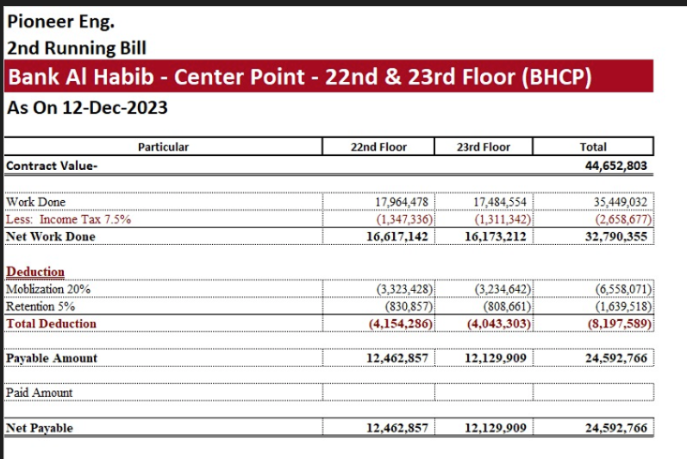
 | IPC-02 | IPC-03 | IPC-03 |  | Less tax 7.5% | 669,792
RUNNING BILL NO 1 | 35,449,032 | 6,268,508 |  | 41,717,540 | Premium expenses | 105,185 | TOTAL RECEIVABLE | 1,929,436
 |  |  |  |  | Cash margin refundable 15% | 1,339,584
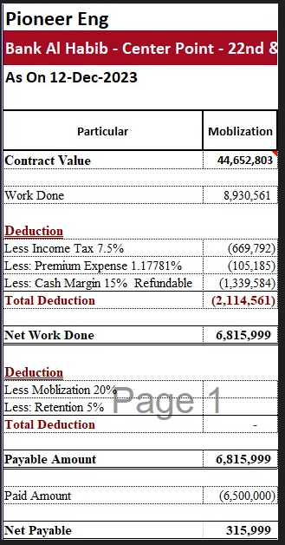
Less Tax |  | 7.5% |  | 3,128,816 | Total deductions | 2,114,561

Balance Payable |  |  |  | 38,588,725 |  | 6,815,999
 |  |  |  |  | Received | 6,500,000
Less Mobilization 20% |  | 20% |  | 7,717,745 | Remaining | 315,999
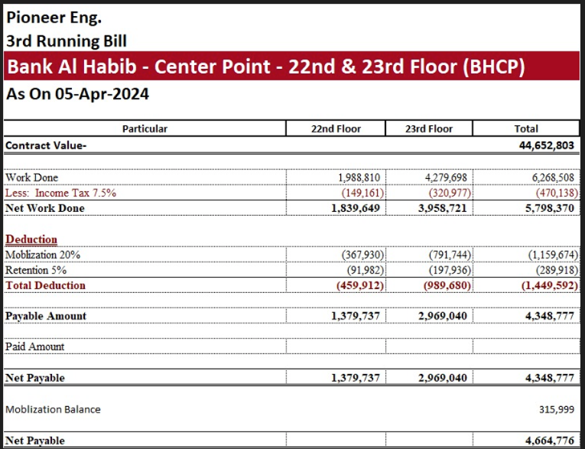
Less Retention 5% |  | 5% |  | 1,929,436
Payable Amount |  |  |  | 28,941,543
 |  |  |  |  | DEDUCTION
Al ready received |  |  |  | 24,592,766 | DEDUCTION IN IPC 2 | 6,558,071
 |  |  |  |  | DEDUCTION IN IPC 3 | 1,159,674
Net Payable |  |  |  | 4,348,777

 |  |  |  |  | TOTAL | 7,717,745
 |  |  |  |  | Remaining | 1,212,816

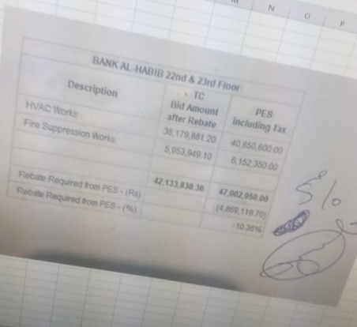

 |  |  |  |  |  |  |  | 7,717,745

